Pazzion MD Mapping-Material
FOOTWEAR |  | NON-FOOTWEAR
(Upper) Material in Line Sheet | Mapping Following BY Attribute | Material in Line Sheet | Mapping Following BY Attribute | PLEASE BE NOTED:
Bead Fabric/ Microfiber | Fabric | Cowhide Leather | Leather | For product material that has more than 1 (example: Cowhide Leather/ Fabric), it necessary to consider looking at the product image itself for judgement.
Calf Leather | Leather | Cowhide Leather/Microfiber | Leather | Final is made based on majority composition / overall material.
Calf Leather / Jute | Leather | Fabric | Fabric
Cow Suede /Cowhide Leather | Leather | Lambskin | Leather
Cowhide Leather | Leather | Microfiber/Leather | Leather
Cowhide Leather | Leather | PP Raffia/Cowhide Leather | Leather
Cowhide Leather | Leather |  |  | BY attributes
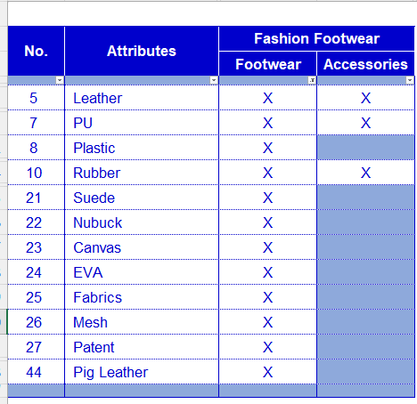
Cowhide Leather Suede / Cowhide Leather | Leather
Cowhide Leather/ Fabric | Leather
Cowhide Leather/Microfiber/Mesh | Leather
Cowhide Patent Leather | Leather
Embossed / Lambskin | Leather
Fabric / Lamb Skin | Fabrics
Fabric/ Crystal | Fabrics
Fly Knit/ Lambskin | Fabrics
Glitter Fabric/ Crystals | Fabrics
Lace | Fabrics
Lamb Suede | Suede
Lamb Suede /Lambskin | Suede
Lamb Suede/ Cowhide Leather | Suede
Lamb Suede/ Fabric | Suede
Lambskin | Leather
Lambskin Leather/ Pony Fur | Leather
Lambskin Suede/Mesh Fabric | Leather
Lambskin/ Crystal | Leather
Lambskin/ Fabric | Leather
Lambskin/ Lace Fabric | Leather
Lambskin/ Patent Leather | Leather
Lambskin/Crystals/Fabric | Leather
Lambskin/Mesh fabric | Leather
Lambskin/Microfiber | Leather
Lambsuede/ Silk Fabric | Suede
Mesh | Fabrics
Mesh Fabric | Fabrics
Mesh Fabric/ Cowhide Leather | Leather
Microfiber Fabric | Fabrics
Microfiber | Fabrics
Microfiber / Mesh Fabric | Fabrics
Microfiber Fabric/ Crystas | Fabrics
Microfiber/ Crystal | Fabrics
Microfiber/ PVC/ Crystals | Fabrics
Microfiber/Crystals | Fabrics
Patent Leather | Leather
Patent Leather/Cowhide Leather | Leather
Plastic | Plastic
Plastic/ Crystal | Plastic
PU | PU
PVC | Plastic
Silk Fabric | Fabrics
Silk Fabric/ Crystals | Fabrics
Velvet Fabric | Fabrics

